Chart
None considered | - |  |  | Total of papers considered:
PLANNING | P | 35 | 47.95% | 73
ALLOC | A | 35 | 47.95%
SCH | SCH | 26 | 35.62%
 |  |  | 17.81%
 |  |  | 12.33%
 |  |  | 4.11%
 |  |  | 9.59%

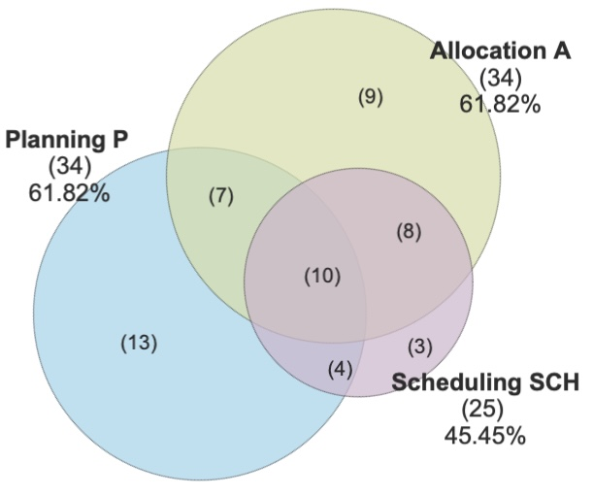
Planning
Scheduling
Allocation
11
8
1
14
6
1
7

